Summary
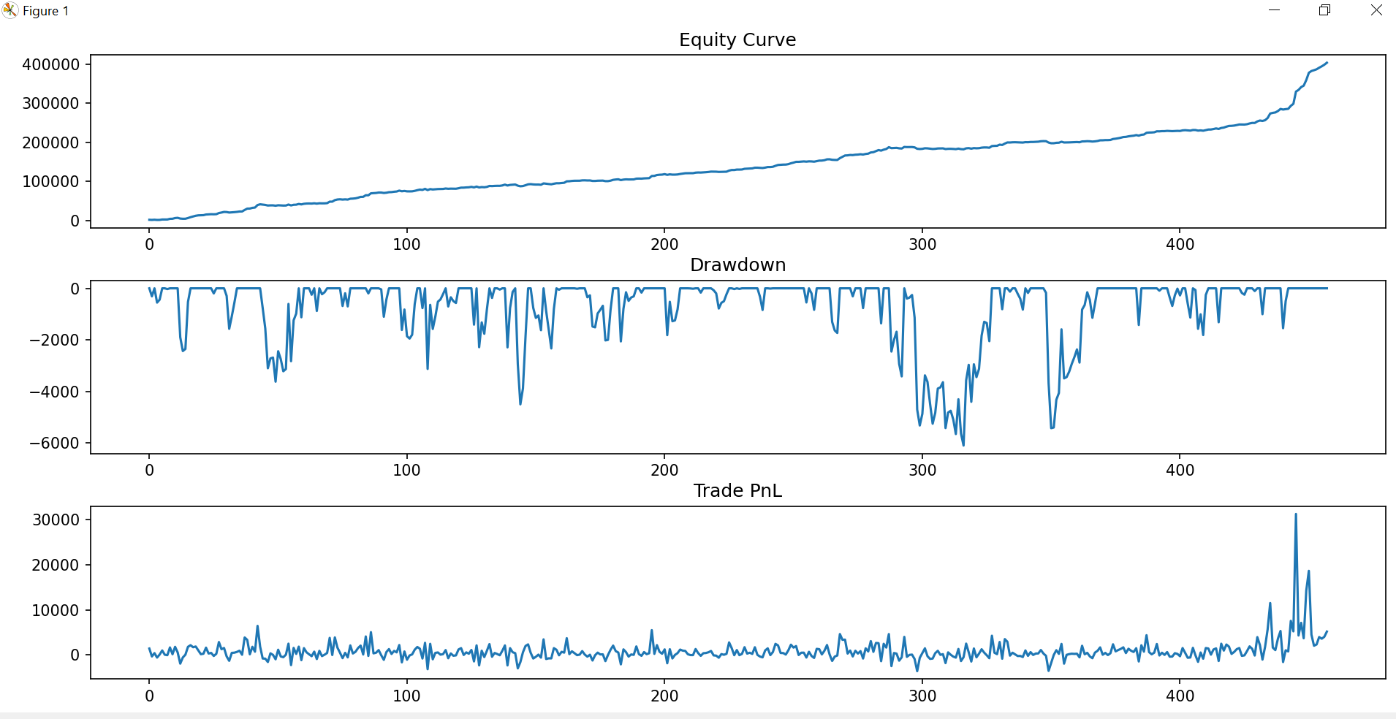
Metric | Value
Max Profit | 31245
Max Loss | -3567.5
Gross | 403297.5
Net | 401007.5
Max Drawdown | -6102.5
Total Trades | 458
Success Rate % | 72.489082969
Hard Stop Count | 68
Mean Reversion Count | 322
Z Stop Count | 68
Time Exit Count | 0

